Level 4 Guest (1-100MB)
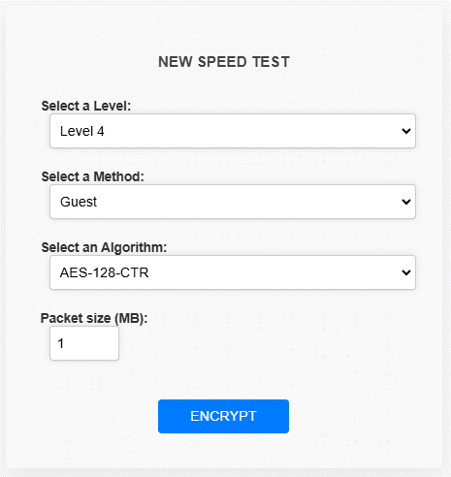

Guest(Blowfish + AES-128-CTR ) - 100 packets

Encryption time(s) | Packet Size(MB) | Decryption time(s) | Packet Size(MB)
0.041399478912 | 1 | 0.029467105865 | 1
0.10316467285 | 5 | 0.10006761551 | 5
0.20738387108 | 10 | 0.17484283447 | 10
0.27679038048 | 15 | 0.23638701439 | 15
0.36655044556 | 20 | 0.34211397171 | 20
0.45434951782 | 25 | 0.43868517876 | 25
0.52840089798 | 30 | 0.49143218994 | 30
0.59683394432 | 35 | 0.57248568535 | 35
0.70045590401 | 40 | 0.64800524712 | 40
0.7312567234 | 45 | 0.70938420296 | 45
0.83685445786 | 50 | 0.85033273697 | 50
0.93826293945 | 55 | 0.8978831768 | 55
0.98182749748 | 60 | 0.97904729843 | 60
1.1203231812 | 65 | 1.0909893513 | 65
1.1557946205 | 70 | 1.0884759426 | 70
1.2572984695 | 75 | 1.1515872478 | 75
1.3484871387 | 80 | 1.2126514912 | 80
1.4266357422 | 85 | 1.3710610867 | 85
1.5380647182 | 90 | 1.4559988976 | 90
1.6374480724 | 95 | 1.4945664406 | 95
1.6491930485 | 100 | 1.5352671146 | 100

Level 4 Basic (1-100MB)
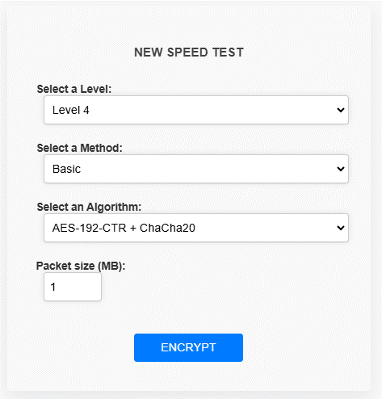

Baisc(AES-192-CTR + ChaCha200) - 100 packets

Encryption time(s) | Packet Size(MB) | Decryption time(s) | Packet Size(MB)
0.0069801807404 | 1 | 0.011487960815 | 1
0.043564081192 | 5 | 0.066205501556 | 5
0.1181447506 | 10 | 0.082152605057 | 10
0.16785621643 | 15 | 0.11608171463 | 15
0.20734763145 | 20 | 0.14182710648 | 20
0.25424814224 | 25 | 0.1871035099 | 25
0.27169418335 | 30 | 0.23187947273 | 30
0.29635047913 | 35 | 0.28454852104 | 35
0.35001516342 | 40 | 0.3142747879 | 40
0.37082791328 | 45 | 0.39694786072 | 45
0.42010164261 | 50 | 0.45930695534 | 50
0.44196915627 | 55 | 0.54688358307 | 55
0.46493244171 | 60 | 0.53598999977 | 60
0.5167222023 | 65 | 0.56694340706 | 65
0.56101536751 | 70 | 0.56992483139 | 70
0.58338689804 | 75 | 0.6529006958 | 75
0.60421657562 | 80 | 0.64027571678 | 80
0.69758009911 | 85 | 0.6567606926 | 85
0.73308563232 | 90 | 0.7970802784 | 90
0.74799919128 | 95 | 0.8157889843 | 95
0.86473011971 | 100 | 0.83262848854 | 100

Basic (AES-128-CTR + HMAC-SHA512 ) - 100 packets

Encryption time(s) | Packet Size(KB) | Decryption time(s) | Packet Size(KB)
0.0099737644196 | 1 | 0.0089921951294 | 1
0.046392440796 | 5 | 0.026431798935 | 5
0.10748696327 | 10 | 0.079007387161 | 10
0.20462918282 | 15 | 0.06324005127 | 15
0.1785531044 | 20 | 0.096124410629 | 20
0.2085287571 | 25 | 0.12048387527 | 25
0.2662498951 | 30 | 0.14589047432 | 30
0.28221011162 | 35 | 0.16990327835 | 35
0.29719758034 | 40 | 0.19629025459 | 40
0.32349228859 | 45 | 0.19820261002 | 45
0.36810445786 | 50 | 0.25808596611 | 50
0.38051152229 | 55 | 0.25163912773 | 55
0.43870449066 | 60 | 0.25410985947 | 60
0.44879508018 | 65 | 0.318400383 | 65
0.4623465538 | 70 | 0.35336565971 | 70
0.53761720657 | 75 | 0.37689709663 | 75
0.53937911987 | 80 | 0.39859318733 | 80
0.59641170502 | 85 | 0.43279933929 | 85
0.66369462013 | 90 | 0.41438889503 | 90
0.66772937775 | 95 | 0.47146844864 | 95
0.69666528702 | 100 | 0.48838996887 | 100

 |  |  | j

Level 4 Advanced (1-100MB)
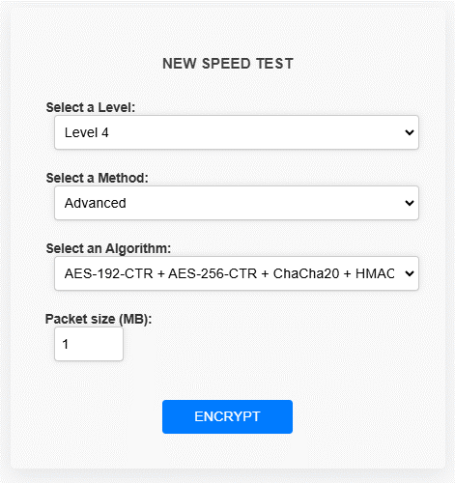

Advanced( AES-192-CTR + AES-256-CTR + ChaCha20 + HMAC-SHA512) - 100 packets

Encryption time(s) | Packet Size(MB) | Decryption time(s) | Packet Size(MB)
0.018945217133 | 1 | 0.020473957062 | 1
0.14175629616 | 5 | 0.11641979218 | 5
0.1946015358 | 10 | 0.14692521095 | 10
0.2816028595 | 15 | 0.19961023331 | 15
0.36572170258 | 20 | 0.25825119019 | 20
0.41591882706 | 25 | 0.35173225403 | 25
0.5365986824 | 30 | 0.3887450695 | 30
0.57191181183 | 35 | 0.44791436195 | 35
0.63946509361 | 40 | 0.51381850243 | 40
0.78085207939 | 45 | 0.63566422462 | 45
0.75849962234 | 50 | 0.64266681671 | 50
0.85773897171 | 55 | 0.78907132149 | 55
0.93076467514 | 60 | 0.7827167511 | 60
1.0381340981 | 65 | 0.88431477547 | 65
1.0833003521 | 70 | 0.94474029541 | 70
1.1375787258 | 75 | 0.97688293457 | 75
1.153945446 | 80 | 0.9503800869 | 80
1.3865880966 | 85 | 1.0582373142 | 85
1.3154520988 | 90 | 1.3894779682 | 90
1.4151132107 | 95 | 1.4067008495 | 95
1.5572063923 | 100 | 1.3977832794 | 100

Advanced (AES-256-CTR + Blowfish ) - 100 packets

Encryption time(s) | Packet Size(MB) | Decryption time(s) | Packet Size(MB)
0.021788597107 | 1 | 0.021177053452 | 1
0.1127307415 | 5 | 0.095208883286 | 5
0.21525478363 | 10 | 0.16172933578 | 10
0.16172933578 | 15 | 0.25360178947 | 15
0.35865783691 | 20 | 0.33109259605 | 20
0.44144582748 | 25 | 0.39066195488 | 25
0.60311865807 | 30 | 0.52305698395 | 30
0.62797880173 | 35 | 0.57104325294 | 35
0.72105407715 | 40 | 0.73692083359 | 40
0.81520152092 | 45 | 0.7784576416 | 45
0.90150237083 | 50 | 0.96781206131 | 50
1.0419216156 | 55 | 1.0378096104 | 55
1.0599429607 | 60 | 1.0756807327 | 60
1.2391633987 | 65 | 1.1111233234 | 65
1.3041036129 | 70 | 1.2921626568 | 70
1.3014140129 | 75 | 1.8521494865 | 75
1.5866625309 | 80 | 1.4037699699 | 80
1.4397106171 | 85 | 1.5219554901 | 85
1.5359520912 | 90 | 1.4917755127 | 90
1.6533915997 | 95 | 1.7417194843 | 95
1.8007311821 | 100 | 1.8013627529 | 100

Advanced ( 6. AES-128-CTR + AES-256-CTR + ChaCha20 )

Encryption time(s) | Packet Size(MB) | Decryption time(s) | Packet Size(MB)
0.020107507706 | 1 | 0.017678976059 | 1
0.085390806198 | 5 | 0.081681251526 | 5
0.15586829185 | 10 | 0.11409807205 | 10
0.21421432495 | 15 | 0.17581009865 | 15
0.3439719677 | 20 | 0.2717602253 | 20
0.3213429451 | 25 | 0.26469612122 | 25
0.38094544411 | 30 | 0.32107186317 | 30
0.4175927639 | 35 | 0.38349437714 | 35
0.45051217079 | 40 | 0.46086382866 | 40
0.52633929253 | 45 | 0.53765892982 | 45
0.58037638664 | 50 | 0.60308384895 | 50
0.61663627625 | 55 | 0.61817216873 | 55
0.63610696793 | 60 | 0.58212208748 | 60
0.6828649044 | 65 | 0.73424744606 | 65
0.7667183876 | 70 | 0.79051995277 | 70
0.78337645531 | 75 | 0.81536316872 | 75
0.83207535744 | 80 | 0.82490921021 | 80
0.86833286285 | 85 | 0.89916086197 | 85
0.95590567589 | 90 | 0.98143100739 | 90
0.94879126549 | 95 | 0.98447299004 | 95
1.0943763256 | 100 | 1.1234102249 | 100

Level 4 Admin (1-100MB)
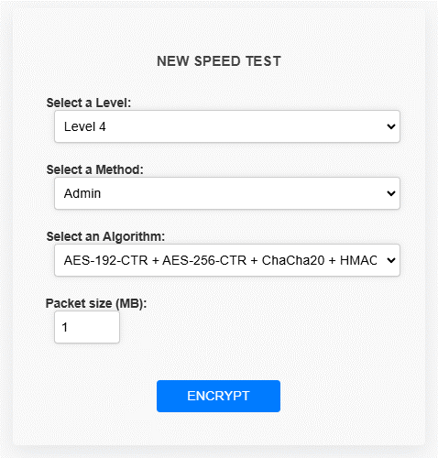

Admin(AES-192-CTR + AES-256-CTR + ChaCha20 + HMAC-SHA512 + ECC (Curve25519)) - 100 packets

Encryption time(s) | Packet Size(MB) | Decryption time(s) | Packet Size(MB)
0.023576259613 | 1 | 0.027181625366 | 1
0.12856435776 | 5 | 0.10411024094 | 5
0.2227268219 | 10 | 0.20200634003 | 10
0.34830999374 | 15 | 0.24277734756 | 15
0.43292093277 | 20 | 0.38303136826 | 20
0.51214647293 | 25 | 0.39423012733 | 25
0.56609177589 | 30 | 0.53483343124 | 30
0.64732575417 | 35 | 0.51499342918 | 35
0.73079824448 | 40 | 0.58210134506 | 40
0.84064602852 | 45 | 0.73548293114 | 45
0.88229465485 | 50 | 0.80853939056 | 50
1.1512999535 | 55 | 0.89770960808 | 55
1.1488103867 | 60 | 0.92580652237 | 60
1.1581306458 | 65 | 0.92633676529 | 65
1.2369086742 | 70 | 1.7919652462 | 70
1.4499437809 | 75 | 1.1783268452 | 75
1.4911272526 | 80 | 1.26836586 | 80
1.5116577148 | 85 | 1.3156752586 | 85
1.6342310905 | 90 | 1.4314732552 | 90
1.8238356113 | 95 | 1.4525434971 | 95
1.8020908833 | 100 | 1.6005890369 | 100

Admin (AES-256-CTR + ChaCha20 + ECC (Curve25519)) - 100 packets

Encryption time(s) | Packet Size(MB) | Decryption time(s) | Packet Size(MB)
0.013963937759 | 1 | 0.015670537949 | 1
0.07827091217 | 5 | 0.070167303085 | 5
0.14817285538 | 10 | 0.11561155319 | 10
0.18272590637 | 15 | 0.15991663933 | 15
0.25240373611 | 20 | 0.2199511528 | 20
0.32955002785 | 25 | 0.25685715675 | 25
0.40544748306 | 30 | 0.3316411972 | 30
0.41115880013 | 35 | 0.33558869362 | 35
0.46362042427 | 40 | 0.40045762062 | 40
0.52287268639 | 45 | 0.53611135483 | 45
0.56927275658 | 50 | 0.52056407928 | 50
0.616543293 | 55 | 0.62728285789 | 55
0.6533908844 | 60 | 0.70343852043 | 60
0.71587181091 | 65 | 0.73132157326 | 65
0.75069689751 | 70 | 0.8271894455 | 70
0.79601264 | 75 | 0.85898065567 | 75
0.87427091599 | 80 | 0.89051222801 | 80
0.95662069321 | 85 | 0.89320921898 | 85
0.98773050308 | 90 | 1.0077688694 | 90
0.98087000847 | 95 | 1.0550625324 | 95
0.99962043762 | 100 | 1.0002009869 | 100

Admin (AES-256-CTR + Blowfish )

Encryption time(s) | Packet Size(MB) | Decryption time(s) | Packet Size(MB)
0.033459424973 | 1 | 0.036429643631 | 1
0.17761254311 | 5 | 0.13389086723 | 5
0.31502008438 | 10 | 0.24599432945 | 10
0.43089818954 | 15 | 0.39897298813 | 15
0.56557750702 | 20 | 0.49958443642 | 20
0.70839738846 | 25 | 0.66255068779 | 25
0.97179174423 | 30 | 0.95136117935 | 30
0.92439866066 | 35 | 0.9171640873 | 35
1.0702168941 | 40 | 0.91250610352 | 40
1.3643248081 | 45 | 1.0752305984 | 45
1.4044723511 | 50 | 1.2229163647 | 50
1.4615235329 | 55 | 1.2373995781 | 55
1.596329689 | 60 | 1.460777998 | 60
1.8644390106 | 65 | 1.5130736828 | 65
1.9240140915 | 70 | 1.6488339901 | 70
1.3250806332 | 75 | 1.1027910709 | 75
2.1482844353 | 80 | 1.9078469276 | 80
2.2581367493 | 85 | 2.0282557011 | 85
2.487308979 | 90 | 2.122877121 | 90
2.4339771271 | 95 | 2.2605111599 | 95
2.7160656452 | 100 | 2.3932471275 | 100

Guest (AES-256-CTR + Blowfish + ECC (Curve25519)) - 100 packets

Encryption time(s) | Packet Size(KB) | Decryption time(s) | Packet Size(KB)
0.048872947693 | 1 | 0.021942138672 | 1
0.12666130066 | 5 | 0.11967945099 | 5
0.22214078903 | 10 | 0.18935203552 | 10
0.32315850258 | 15 | 0.27828216553 | 15
0.46246671677 | 20 | 0.3964509964 | 20
0.51565051079 | 25 | 0.46889638901 | 25
0.63103365898 | 30 | 0.60737967491 | 30
0.69291186333 | 35 | 0.76017570496 | 35
0.86911416054 | 40 | 0.80585169792 | 40
0.93491983414 | 45 | 0.92039728165 | 45
1.0427837372 | 50 | 1.0359177589 | 50
1.1801064014 | 55 | 1.0871608257 | 55
1.1852476597 | 60 | 1.1824100018 | 60
1.2723124027 | 65 | 1.3207931519 | 65
1.4453651905 | 70 | 1.3926994801 | 70
1.5620532036 | 75 | 1.4574394226 | 75
1.6211585999 | 80 | 1.6839718819 | 80
1.6968107224 | 85 | 1.7072629929 | 85
1.9038078785 | 90 | 1.7451922894 | 90
1.8854932785 | 95 | 1.882840395 | 95
2.3329050541 | 100 | 2.2951962948 | 100

 |  |  | k

